Screenshot
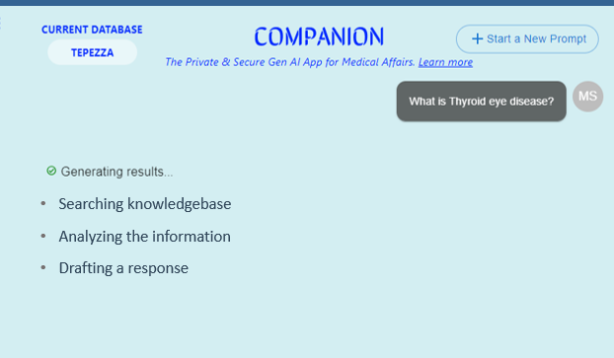
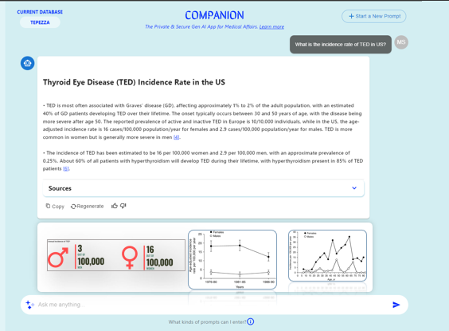
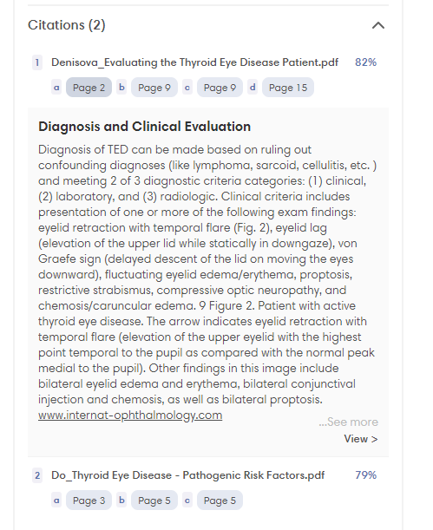
Feature no : 3 , User Engagement - Real-time Backend Operation Status Display | Feature no : 5 , User Engagement - Source Display at the Beginning of Response Generation | Feature no : 12 , Image and link based output with response - to include Complex doc - PPT, Graph, Inforgraphics, Graphs etc. - Only Knowledge base | Feature no : 15 , Display sources document wise | Feature no : 16 , Display sources document wise | Feature no : 23, Next Query suggestions for Iterative Process Improvement

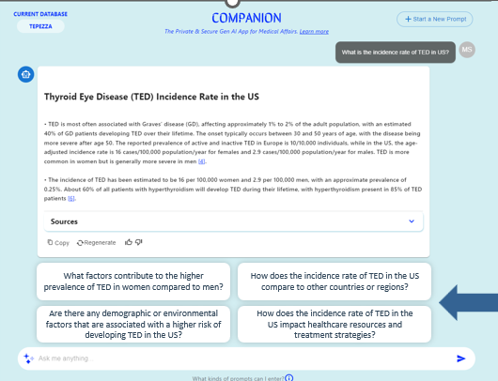
 | https://www.phind.com/search?home=true

